Summary
Instructions:
STEP 1: Fill in User Defined fields in white and green cells. Blue fields are auto-populated.
STEP 2: Fill out Hard/ Soft Cost Estimate forms (Optional Soft Cost Form Available)
STEP 3: Click on the Dashboard form and manually update dashboard.
Scope Accuracy:
Level 1: Project scope well understood and well defined.
Level 2: Project scope conceptual. Scope lacks detail due to potential permit requirements; Unknown project conditions; limited knowledge of external impacts.
Level 3: Project scope is a "vision" with limited detail.
Engineering Effort:
Level A: Preliminary engineering performed. Technical is information available, engineering calculations have been performed; clear understanding of the materials size and quantities needed to execute job. Schedule understood; staff and permitting is fairly clear, (however this element may still need refining.) Project Development & Construction Contingencies ranges between 15%-20%.
Level B: Conceptual engineering performed. Technical information is available, rough engineering calculations may have been performed, or similar information from previous similar work is compared and used. Project Development Contingencies ranges between 15% to 25% and Construction Contingencies ranges between 20% to 30%.
Level C: No engineering performed. Educated guesstimating. Limited technical information available and/or analysis performed. Project Development and Construction Contingencies should be selected appropriately by Project Manager. Contingency may range up to 50%.
Business Case - Gate 1
Taxiway K West Rehabiltation/ Reconstruction (w/o M&I btwn Rwy 3-21 and NRWY) | : Project Title
701219 | : Project Number
G. Tupper | : Originator
C. Edwards | : Project Manager (If Assigned)
G. Evenhus | : Reviewer/Approver
2023-07-28 | : Date (Last Revised)
0.00 | : Revision#
Level 3: Project scope is a "vision" with limited detail | : Scope Accuracy
Level B: Conceptual engineering performed | : Engineering Effort
Business Case - Gate 1 | : Project Stage

SCOPE DESCRIPTION:
Rehabiliate Taxiway K West (Left and Right) mainline and adjacent Taxiway K apron adjacent to the Terminal Buidling (approx. Gates D3-D13, E2.5-E6) with a full depth AC pavement section; this area is east of Taxiway T. Rehabilitate the western section of Taxiway K with a mill and inlay. Rehabilitate Taxiway K (west of Taxiway E and extending from Taxiway K/E hold line to between Taxiways E and T) with 3" mill and inlay; north limits at Taxiway E/Runway 10L-28R hold line and south limits at intersection of Taxiways E/K transition to concrete pavement. Install new electrical centerline lighting infrastructure in full depth pavement areas. Includes thermoplastic markers for hold lines to Rwy 3-21. Excludes pavement at hold bars to Rwy 10L-28R (North Rwy). See sketches on Work Plan tab of this spreadsheet.
SCOPE ASSUMPTIONS AND CLARIFICATIONS:
General Assumptions: • This project will be completed as a stand along project. See supporting Work Plan sketch for project area. • Construction of project is planned for May 2026 to September 2026. • Maintain existing alignment and striping.
Operational Assumptions: • Concourse D gates adjacent to the Taxiway K reconstruction area will be closed during construction. A maximum of 2 gates can be closed at one time.
Environmental Assumptions: • No upgrades to stormwater treatment are required. • No contaminated soils are in the areas of full depth excavation. • Low level petroleum contamination in ground water may occur. Dewatering will be captured and tested.
Earthwork Assumptions: • Earthwork will only occur in areas of full depth reconstruction in Taxiway K. Paving activities will otherwise not impact existing subgrade. • Excess Common Excavation will be taken off-site and not stockpiled.
Paving Assumptions: • This estimate was prepared with preliminary geotechnical information. The full report may provide adjustments to the estimated pavement sections. • Existing pavement sections are based upon cores performed for the geotechnical report. • Taxiway K mainline adjacent to the Terminal Building will be rehabilitated with a full depth AC pavement section. Project will use pavement section provided by preliminary geotechnical information (4” AC surface course, 14” AC base course, 6” agg base, and 29” of sand subbase). • Taxiway K apron adjacent to the Terminal Building will be rehabilitated with a full depth AC pavement section. Project will use pavement section provided by preliminary geotechnical information (4” AC surface course, 11” AC base course, 6” agg base, and 13” of sand subbase). • No shoulder work will be required. • The western section of Taxiway K will be rehabilitated with a 3” AC mill and inlay. • New full depth AC areas will assume a 15’ wide AC tie in to adjacent taxiways and aprons to account for shifts in grading. Tie in areas will be a 3” ACP mill and inlay. |  | Suggest using same pavement sections for K - not worth changing for BC | 1
Utility Assumptions: • Stormwater work shown in this estimate corresponds to an identified need in the stormwater master planning Solution 7C documents in the vicinity of this project. The work was included in this estimate because completing it now will minimize future impacts to the new pavements, and the cost is the most economical now because a contractor is already mobilized in the area. • Underdrains will be placed in areas of full depth reconstruction. • Trench drains will not be required along the edge of the existing PCCP terminal apron. |  | what is identified in SWMP?- pipe size - not worth changing for BC
Electrical Assumptions • Existing centerline lights are LED and will be reused. Install new conduit and conductors for Taxiway K mainline and apron. Protect existing edge lights. • Protect existing edge lights, centerline lights, and threshold in the western section of Taxiway K. • No work will be required on existing supporting electrical infrastructure. • No new lighting will be required.
REVISION NOTES:

HARD COST SUBTOTAL | $15,778,427.87

SOFT COST SUBTOTAL | $3,984,053.04

HARD COST CONTINGENCY | $4,733,528.36
(Enter % of Hard Cost): | 30%

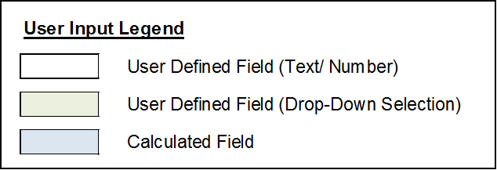
SOFT COST CONTINGENCY | $597,607.96
(Enter % of Soft Cost): | 15%

ESCALATION | $3,886,073.19
Based on Calculations Below Under "Escalation Calculator" : | 15.49%

TOTAL PROJECT ESTIMATE | $28,979,690.41

Hard Cost Summary
HARD COST DESCRIPTION | TOTAL
01 General Requirements | $2,359,402.53
02 Existing Conditions | $-
03 Concrete | $-
04 Masonry | $-
05 Metals | $-
06 Wood Plastics And Composites | $-
07 Thermaland Moisture Protection | $-
08 Openings | $-
09 Finishes | $-
10 Specialties | $-
11 Equipment | $-
12 Furnishings | $-
13 Special Construction | $-
14 Conveying Equipment | $-
21 Fire Suppression | $-
22 Plumbing | $-
23 Heating Ventilating And Air Conditioning | $-
26 Electrical | $570,000.00
27 Communications | $-
28 Electronic Safety And Security | $-
31 Earthwork | $-
32 Exterior Improvements | $-
33 Utilities | $-
34 Transportation | $1,377,500.00
35 Waterway And Marine | $-
41 Material Proc And Handling Eq. | $-
51 Earthwork FAA | $4,427,285.33
52 Flexible Base Courses FAA | $510,750.00
53 Rigid Base Courses FAA | $-
54 Flexible Surface Courses FAA | $5,509,390.00
55 Rigid Pavement FAA | $-
56 Miscellaneous FAA | $177,900.00
57 Fencing FAA | $-
58 Drainage FAA | $750,000.00
59 Turfing FAA | $28,000.00
60 Lighting Installation FAA | $68,200.00
Misc - Not Listed | $-
1 | 1

Escalation Calculator

Base Escalation Rate (Yearly): | 5%

Date of Estimate: | 2023-05-31

Construction Start: | 2026-04-01

Construction Finish: | 2026-10-07

Construction Midpoint: | 2026-07-04 12:00:00

Est. Date to Const. Start: | 1036.00 Days
 | 34.06 Months
 | 2.84 Years

Const. Start to Midpoint: | 94.50 Days
 | 3.11 Months
 | 0.26 Years

Estimate Date to Midpoint: | 1130.50 Days
 | 37.17 Months
 | 3.10 Years

Escalation: | 15.49%

Soft Cost Estimating Form
Project Title: | Taxiway K West Rehabiltation/ Reconstruction (w/o M&I btwn Rwy 3-21 and NRWY)
Project #: | 701219 |  |  |  | Estimating Method | Percentage Based
Rev #: | 0.00 |  |  |  | Soft Cost %
Rev # Date: | 2023-07-28 |  |  |  | Soft Cost Total: | $3,984,053
 |  |  | $15,778,427.87
Chart Name | Cost Code | Description | Total Unit Rate | Qty | Unit | Total
Instructions:
Estimating Method (Percentage Based)
STEP 1: Select "Percentage Based" under Estimating Method
STEP 2: Enter % Soft Cost (as percentage of Hard Cost)
Estimating Method (Hourly Estimate)
STEP 1: Select "Hourly Estimate" under Estimating Method
STEP 2: Fill in Unit Rates/ Quantities and Unit Fields, or as an option, utilize the schedule and resource form to calculate hours based on project schedule (Quantities reference the optional & resource form, if the form is not utilized, the formulas can be overwritten by desired quantities).
Engineering Standard | 101000 | Project Admin & Mgmt-General | $15,778,427.87 | 0.06 | % | $9,467
Engineering Standard | 101400 | Project Admin & Mgmt-Design | $15,778,427.87 | 0.8 | % | $126,227
Engineering Standard | 101500 | Project Admin & Mgmt-Construction | $15,778,427.87 | 0.6 | % | $94,671
Engineering Standard | 141010 | Design-Outside Design Services | $15,778,427.87 | 5.7 | % | $899,370
Engineering Standard | 141100 | Design-Specification Development | $15,778,427.87 | 0.1 | % | $15,778
Engineering Standard | 141600 | Design-Environmental | $15,778,427.87 | 0.2 | % | $31,557
Engineering Standard | 141700 | Design-PE Design | $15,778,427.87 | 2.1 | % | $331,347
Engineering Standard | 141800 | Design-Survey | $15,778,427.87 | 1.3 | % | $205,120
Engineering Standard | 141900 | Design-Drawing and Development | $15,778,427.87 | 1.3 | % | $205,120
Engineering Standard | 142100 | Design-Construction/Inspection Suppor | $15,778,427.87 |  | % | $-
Engineering Standard | 142600 | Design-IT Design Support | $15,778,427.87 |  | % | $-
Engineering Standard | 171500 | Development-Conceptual Design | $15,778,427.87 |  | % | $-
Engineering Standard | 191100 | Construction-Equipment Contracts | $15,778,427.87 |  | % | $-
Engineering Standard | 191200 | Construction-Management | $15,778,427.87 | 1.3 | % | $205,120
Engineering Standard | 191300 | Construction-Inspection | $15,778,427.87 | 2 | % | $315,569
Engineering Standard | 191400 | Construction-Testing | $15,778,427.87 | 0.7 | % | $110,449
Engineering Standard | 191500 | Construction-Survey | $15,778,427.87 | 1.4 | % | $220,898
Engineering Standard | 191600 | Construction-Environmental | $15,778,427.87 | 0.1 | % | $15,778
Engineering Standard | 191800 | Construction-Engineering Support | $15,778,427.87 | 0.7 | % | $110,449
Engineering Standard | 191810 | Construction-Outside Construction Services | $15,778,427.87 | 1 | % | $157,784
Engineering Standard | 191900 | Construction-Maintenance | $15,778,427.87 | 0.1 | % | $15,778
Engineering Standard | 192000 | Construction-IT | $15,778,427.87 |  | % | $-
Engineering Standard | 201400 | Permitting-City | $15,778,427.87 | 0 | % | $-
Engineering Standard | 781100 | Project Close Out-As Builts | $15,778,427.87 | 0.07 | % | $11,045
Engineering Standard | 781200 | Project Close Out-Survey | $15,778,427.87 | 0.07 | % | $11,045
Engineering Standard | 781300 | Project Close Out-Technical Reference Center | $15,778,427.87 | 0.05 | % | $7,889
Engineering Standard | 781400 | Project Close Out-Geographic Information System | $15,778,427.87 | 0.1 | % | $15,778
Engineering Standard | 908550 | Capitalized Alloc Sup Svs-Annual Engineering Adjustment | $15,778,427.87 |  | % | $-
Engineering Standard | 909000 | Capitalized Alloc Sup Svs-Capitalized Allocated Supp Svs | $15,778,427.87 | 5.5 | % | $867,814
...

Optional - Sch & Resource Form
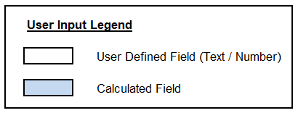
Schedule & Resource Estimate Form
Project Title: | Taxiway K West Rehabiltation/ Reconstruction (w/o M&I btwn Rwy 3-21 and NRWY)
Project #: | 701219
Rev #: | 0.00
Rev # Date: | 2023-07-28

Instructions:
1. Enter estimated start and end dates for different phases of project.
2. Enter in average hours/ week for each role for the duration of project (for all 4 phases listed)
3. Hours will populate to the soft cost estimating form if formulas have not been modified.
4. CASS is calculated based on the number of total hours
Estimated Schedule
Phase | Start Date | End Date | Duration (Wks)
Project Administration |  |  | 0.00
Design |  |  | 0.00
Execute/Build |  |  | 0.00
Close-Out |  |  | 0.00

Estimated Resources
Role | Avg. Hrs/Wk | Total Hours
Project Manager |  | 0
 | TOTAL | 0 | 101000 - Project Admin & Mgmt-General

Spec Writer |  | 0
 | TOTAL | 0 | 141100 - Design-Specification Development

Environmental Planner |  | 0
 | TOTAL | 0 | 141600 - Design-Environmental

Project Engineer |  | 0
Electrical Engineer |  | 0
Facility Engineer |  | 0
 | TOTAL | 0 | 141700 - Design-PE Design

Surveyor |  | 0
Locates |  | 0
 | TOTAL | 0 | 141800 - Design-Survey

CAD Tech |  | 0
BIM Tech |  | 0
TRC Tech |  | 0
 | TOTAL | 0 | 141900 - Design-Drawing and Development

Construction Manager |  | 0
Inspector |  | 0
 | TOTAL | 0 | 142100 - Design-Construction/Inspection Support

IT Resource |  | 0
 | TOTAL | 0 | 142600 - Design-IT Design Support

Construction Manager |  | 0
 | TOTAL | 0 | 191200 - Construction-Management

Civil Inspector |  | 0
Electrical Inspector |  | 0
Mechanical Inspector |  | 0
 | TOTAL | 0 | 191300 - Construction-Inspection

Surveyor |  | 0
Locates |  | 0
 | TOTAL | 0 | 191500 - Construction-Survey

Environmental Specialist |  | 0
 | TOTAL | 0 | 191600 - Construction-Environmental

Project Engineer |  | 0
Electrical Engineer |  | 0
Facility Engineer |  | 0
 | TOTAL | 0 | 191800 - Construction-Engineering Support

Maintenance Personnel |  | 0
 | TOTAL | 0 | 191900 - Construction-Maintenance

IT Resource |  | 0
 | TOTAL | 0 | 192000 - Construction-IT

Project Engineer |  | 0
CAD Tech |  | 0
BIM Tech |  | 0
 | TOTAL | 0 | 781100 - Project Close Out-As Builts

Surveyor |  | 0
 | TOTAL | 0 | 781200 - Project Close Out-Survey

TRC Tech |  | 0
 | TOTAL | 0 | 781300 - Project Close Out-Technical Reference Center

GIS Analyst |  | 0
 | TOTAL | 0 | 781400 - Project Close Out-Geographic Information System

CASS |  | 0
 | TOTAL | 0 | 909000 - Capitalized Alloc Sup Svs-Capitalized Allocated Supp Svs

Dashboard
ESTIMATE DASHBOARD

Project Title: |  | Taxiway K West Rehabiltation/ Reconstruction (w/o M&I btwn Rwy 3-21 and NRWY)
Project #: |  | 701219
Rev # |  | 0.00
Rev # Date |  | 2023-07-28

Project Estimate Chart
 | High Range ($) | Low Range ($) | Estimate ($)
Project Charter
Business Case - Gate 1
Preliminary Design - Gate 2
100% Design/ Pre-Bid - Gate 3
Bid Acceptance - Gate 4
Project Closeout - Gate 5

Chart is auto-populated from 'Project Estimate' table below

Project Estimate
Risk = Contingency + Escalation |  |  |  |  |  | Performance Metric
 | Hard ($) | Soft ($) | Contingency ($) | Escalation ($) | Estimate ($) | Low Range ($) | High Range ($)
Project Charter
Business Case - Gate 1
Preliminary Design - Gate 2
100% Design/ Pre-Bid - Gate 3
Bid Acceptance - Gate 4
Project Closeout - Gate 5

Work Plan
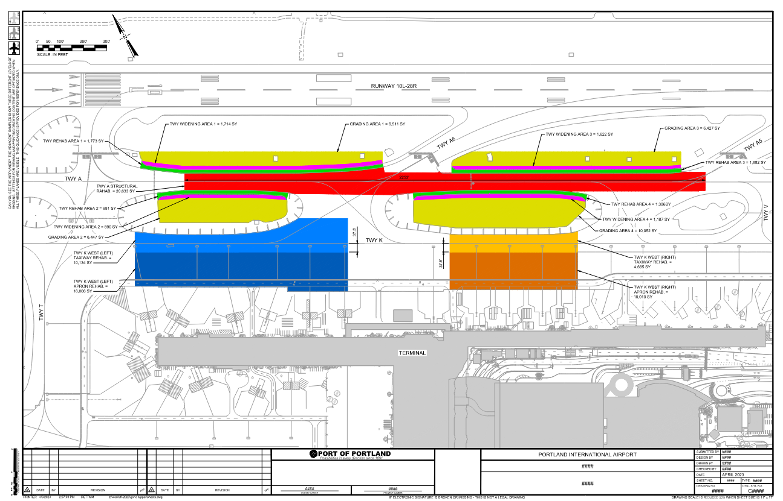

1
 |  | Look at project titles for which of the 3 work areas are
 |  | being considered with this cost estimate

2
3

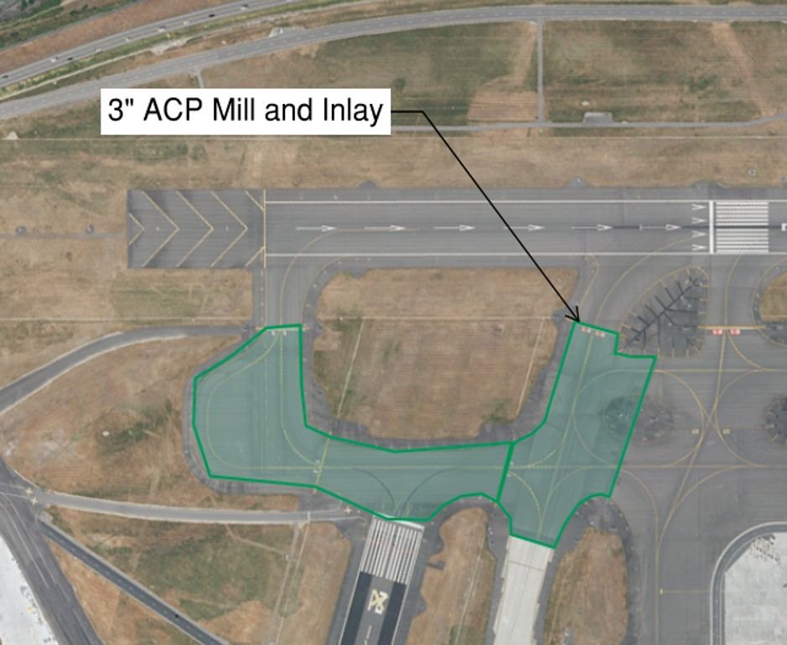

2023-06-01
Area of 3" mill & inaly pulled from 8-25-22 estimate "2026 Taxiway K West Rehabilitation" prepared by Eric Hein.
345,800 | SF

7/25-28/2023
Area of 3" mill & inlay now to extend from Rwy 3-21 / Taxiway E intersection to Exit K1 holdline.
Jennifer Rabby provided area of reduction as 209,000 SF. Revised M&I area = 345,800-209,000 = |  |  |  |  | 136,800 | SF.
This reduces AC surface course by 6,900 Tons - 2,730 Tons = |  |  | 4170 | Tons
Previous OPC - AC Surface = 10,110 Tons - 4,170 Tons = |  | 5,940 | Tons for reduced project

